Sheet1
Meda et al
CL=0%, ALR=15 |  |  | CL=0%, ALR=15
\delta_y | 0.5 |  | \delta_y | 0.5
Displacement (mm) | Force (KN) | Enlcosed area | Displacement (mm) | Force (KN) | Enlcosed area
Meda et al hysteretic damping
0.75 | 63 |  | 0.1 | 17.5 |  | POINT 0.1,17.5,0 |  |  |  |  | 0.55 | 45 |  |  |  | 0
3 | 63 | 141.75 | 0.55 | 46 | 14.2875 | POINT 0.55,46,0 |  |  |  |  | 1.125 | 45 |  |  |  | 25.875
5 | 40 | 103 | 1.125 | 46 | 26.45 | POINT 1.125,46,0 |  |  |  |  | 2 | 40 |  |  |  | 37.1875
-0.75 | -63 | 66.125 | 2 | 40 | 37.625 | POINT 2,40,0 |  |  |  |  | 2.5 | 25 |  |  |  | 16.25
-3 | -63 | 141.75 | 2.5 | 25 | 16.25 | POINT 2.5,25,0 |  |  |  |  | -0.55 | -45 |  |  |  | 30.5
-5 | -40 | 103 | -0.1 | -17.5 | -9.75 | POINT -0.1,-17.5,0 |  |  |  |  | -1.125 | -45 |  |  |  | 25.875
0.75 | 63 | 66.125 | -0.55 | -46 | 14.2875 | POINT -0.55,-46,0 |  |  |  |  | -2 | -40 |  |  |  | 37.1875
 | Ah | 621.75 | -1.125 | -46 | 26.45 | POINT -1.125,-46,0 |  |  |  |  | -2.5 | -20 |  |  |  | 15
 | Fm | 63 | -2 | -40 | 37.625 | POINT -2,-40,0 |  |  |  |  |  |  |  |  |  | 187.875
 | delta m | 5 | -2.5 | -20 | 15 | POINT -2.5,-20,0
 | Xi | 0.31414154244 | 0.1 | 17.5 | -3.25 | POINT 0.1,17.5,0
 | \mu | 10 |  | Ah | 174.975
 | Eq. 3.17a | 0.21186057712 |  | Fm | 46
 |  |  |  | delta m | 2.5
 |  |  |  | Xi | 0.2421577058
 |  |  |  | \mu | 5
 |  |  |  | Eq. 3.17b | 0.16306367157

Ma et al
CL=0%, ALR=15 |  |  | CL=9%, ALR=15% |  |  | CL=9%, ALR=25% |  |  |  | CL=0%, ALR=25%
\delta y | 7 |  | \delta y | 7 |  | \delta y |  | 5 |  | \delta y | 5
Displacement (mm) | Force (KN) |  | Displacement (mm) | Force (KN) |  | Displacement (mm) |  | Force (KN) |  | Displacement (mm) | Force (KN)
8 | 65 |  | 8 | 70 |  | 5 |  | 80 |  | 11 | 82.5
45 | 65 | 2405 | 40 | 70 | 2240 | 17.5 |  | 80 | 1000 | 45 | 82.5 | 2805
40 | 0 | -162.5 | 30 | 0 | -350 | 30 |  | 60 | 875 | 30 | 0 | -618.75
-5 | -80 | 1800 | -8 | -70 | 1330 | 20 |  | 0 | -300 | -5 | -80 | 1400
-30 | -80 | 2000 | -30 | -70 | 1540 | -5 |  | -72.5 | 906.25 | -15 | -80 | 800
-45 | -60 | 1050 | -40 | -40 | 550 | -24 |  | -72.5 | 1377.5 | -45 | -60 | 2100
-35 | 0 | -300 | -37.5 | 0 | -50 | -30 |  | -60 | 397.5 | -45 | 0 | 0
8 | 65 | 1397.5 | 8 | 70 | 1592.5 | -20 |  | 0 | -300 | 11 | 82.5 | 2310
 | Ah | 8190 |  | Ah | 6852.5 | 5 |  | 80 | 1000 |  | Ah | 6486.25
 | Fm | 65 |  | Fm | 70 |  |  | Ah | 3956.25 |  | Fm | 82.5
 | delta m | 45 |  | delta m | 40 |  |  | Fm | 80 |  | delta m | 45
 | Xi | 0.44563384066 |  | Xi | 0.38950330269 |  |  | delta m | 30 |  | Xi | 0.27806565647
 | \mu | 6.4285714286 |  | \mu | 5.7142857143 |  |  | Xi | 0.2623569765 |  | \mu | 9
 | Eq. 3.17a | 0.20186918347 |  | Eq. 3.17a | 0.16659691131 |  |  | \mu | 6 |  | Eq. 3.17a | 0.20986229839
 |  |  |  |  |  |  |  | Eq. 3.17a | 0.16777465789

Yang et al
CL=0%, ALR=18 |  |  | CL=8.3%, ALR=18%
\delta y | 7 |  | \delta y | 7 |  | This data seems off, it appears they mixed the results or used different construction methods for both columns
Displacement (mm) | Force (KN) |  | Displacement (mm) | Force (KN)
10 | 60 |  | 8 | 55
30 | 60 | 1200 | 15 | 55 | 385
45 | 40 | 750 | 40 | 40 | 1187.5
15 | 0 | -600 | 22.5 | 0 | -350
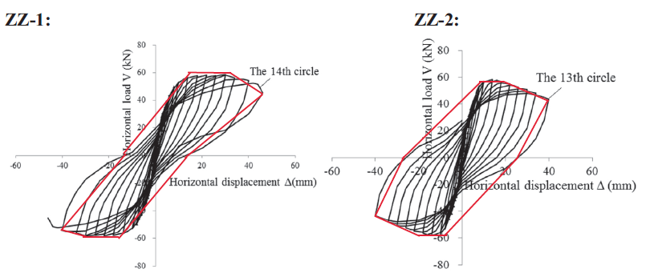
-10 | -60 | 750 | -8 | -55 | 838.75
-30 | -60 | 1200 | -20 | -55 | 660
-45 | -40 | 750 | -40 | -40 | 950
-15 | 0 | -600 | -22.5 | 0 | -350
10 | 60 | 750 | 8 | 55 | 838.75
 | Ah | 4200 |  | Ah | 4160
 | Fm | 60 |  | Fm | 55
 | delta m | 45 |  | delta m | 40
 | Xi | 0.24757435592 |  | Xi | 0.30094752876
 | \mu | 6.4285714286 |  | \mu | 5.7142857143
 | Eq. 3.17a | 0.20186918347 |  | Eq. 3.17a | 0.16659691131

 |  |  |  |  |  |  |  |  |  | Longitudinal reinforcement |  |  | Transverse reinforcement
CL | \mu | ALR | Xi | f'c (MPa) | Fy (MPa) | \rho_l_initial | real \rho_l | \rho_v | L/D | n | db | As | s | db | Ash | D | L | Ag | real db | real As
0 | 10.0 | 22% | 31% | 20.0 | 520.0 | 0.89% | 0.89% | 0.11% | 6.00 | 4 | 16 | 804.24771932 | 300 | 8 | 100.53096491 | 300 | 1800 | 90000 | 16 | 804.24771932
0 | 6.4 | 15% | 45% | 32.4 | 373.2 | 2.27% | 2.27% | 0.39% | 3.15 | 6 | 16 | 1206.371579 | 100 | 8 | 100.53096491 | 260 | 820 | 53092.915846 | 16 | 1206.371579
0 | 9.0 | 25% | 28% | 32.4 | 373.2 | 2.27% | 2.27% | 0.39% | 3.15 | 6 | 16 | 1206.371579 | 100 | 8 | 100.53096491 | 260 | 820 | 53092.915846 | 16 | 1206.371579
20 | 5.0 | 22% | 24% | 20.0 | 520.0 | 0.89% | 0.71% | 0.11% | 6.00 | 4 | 16 | 804.24771932 | 300 | 8 | 100.53096491 | 300 | 1800 | 90000 | 14.310835056 | 643.39817546
9.5 | 5.7 | 15% | 39% | 32.4 | 373.2 | 2.27% | 2.06% | 0.39% | 3.15 | 6 | 16 | 1206.371579 | 100 | 8 | 100.53096491 | 260 | 820 | 53092.915846 | 15.221038072 | 1091.766279
9.7 | 6.0 | 25% | 26% | 32.4 | 373.2 | 2.27% | 2.05% | 0.39% | 3.15 | 6 | 16 | 1206.371579 | 100 | 8 | 100.53096491 | 260 | 820 | 53092.915846 | 15.204209943 | 1089.3535358

Hysteretic Damping
CL | mu | ALR | Xi
0 | 6.4285714286 | 15% | 0.44563384066
9.5 | 5.7142857143 | 15% | 0.38950330269
0 | 10 | 22% | 0.31414154244
20 | 5 | 22% | 0.2421577058
0 | 9 | 25% | 0.27806565647
9.7 | 6 | 25% | 0.2623569765

